Data summary
Hotspot analysis - P-GAF V1.36
Pork Greenhouse Gas Accounting Framework (GAF) Tool
Outputs | t CO2e/farm | Summary of Scope 1 | t CO2e/farm
Scope 1 Emissions |  |  |  |  | Pork | %
CO2 - Fuel | 1.5 | CO2 | 38 | CH4 - Manure | 2,485.61 | 80
CO2 - Lime | 0.0 | CH4 | 2,708 | CH4 - Enteric | 222.8 | 7
CO2 - Urea | 36.7 | N2O | 318 | N2O - Manure | 134.73 | 4
Breakdown of Scope 1 GHGs
CH4 - Fuel | 0.0 |  |  | N2O - Deposition | 62.85 | 2
CH4 - Manure Management | 2,485.6 |  |  | N2O - Leaching | 67.07 | 2
CH4 - Enteric Fermentation | 222.8 |  |  | Purchased livestock | 18.00 | 1
N2O - Manure Management (Direct) | 134.7 |  |  | Purchased feed | 8.62 | 0
N2O - Fertiliser | 53.6 |  |  | Other Pre-farm | 99.68 | 3
N2O - Atmospheric Deposition | 13.8 |  |  | Fuel | 1.51 | 0
N2O - Atmospheric Deposition (Indirect) | 49.1 |  |  | Electricity (Scope 2) | 0.61 | 0
N2O - Leaching and Runoff (MMS) | 1.9 |  |  |  | 3,101.50 | 100.0
N2O - Leaching and Runoff (Soil) | 65.2
N2O - Fuel | 0.0
Scope 1 Total | 3,065

Scope 2 Emissions
Electricity | 1
Scope 2 Total | 1

Scope 3 Emissions
Fertiliser | 89.3
Purchased feed | 8.6
Herbicides/pesticides | 1.0
Electricity | 0.05
Citation:
Ekonomou A., Lopez M.B., Eckard R.J., Kotz P. (2025). A Greenhouse Accounting Framework for pork production (Pig-GAF) based on the Australian National Greenhouse Gas Inventory methodology. Updated March 2025 http://www.piccc.org.au/resources/Tools
Fuel | 0.4
Lime | 0.0
Purchased Pig bedding | 9.0
Purchased pigs | 18.0
Scope 3 Total | 126.3

Carbon Sequestration
Carbon sequestration in trees | -52.66

Net Farm Emissions | 3,139

Emissions intensity
Pork meat (breeding herd) excl. sequestration | 7.25 | kg CO2-e / kg LW
Pork meat (breeding herd) inc. sequestration | 7.13 | kg CO2-e / kg LW

Data input
Enter your farm data for each animal class and season |  |  |  |  |  |  |  | Farm Name | Jane Bloggs

Choose your region in Australia |  |  | NSW
 |  |  | 2
Please answer this question - Does your farm get enough rainfall or irrigation to drain through the soil profile i.e. typically above 600mm |  |  | 2

 | Seasons | Sows | Boars | Gilts | Suckers | Weaners | Growers | Slaughter pigs | Units
Pig numbers | Spring | 2000 | 0 | 1500 | 0 | 0 | 0 | 150 | head
 | Summer | 2000 | 0 | 1500 | 0 | 0 | 0 | 150 | head
 | Autumn | 2000 | 0 | 1500 | 0 | 0 | 0 | 150 | head
 | Winter | 2000 | 0 | 1500 | 0 | 0 | 0 | 150 | head
 | Average | 2000 | 0 | 1500 | 0 | 0 | 0 | 150 | head

Inventory entering |  | Sows | Boars | Gilts | Suckers | Weaners | Growers | Slaughter pigs | Purchases - breeding herd
No. head purchased |  |  |  |  |  | 100
Purchase weight (LW/hd) |  |  |  |  |  | 50
Live weight / category |  | 0.0 | 0.0 | 0.0 | 0.0 | 5,000.0 | 0.0 | 0.0 | 5,000

Inventory leaving |  | Sows | Boars | Gilts | Suckers | Weaners | Growers | Slaughter pigs | Sales - Breeder operation
No. head sold |  |  |  | 1000 |  | 100 |  | 150
Sale weight (LW/hd) |  |  |  | 400 |  | 100 |  | 200
Live weight / category |  | 0.0 | 0.0 | 400,000.0 | 0.0 | 10,000.0 | 0.0 | 30,000.0 | 440,000

Note: This calculator follows the Australian National Greenhouse Gas Inventory method. This method does not cater for the diversity of pork production systems in Australia.
If for example, you have a free-range system, you will need to adjust the relevant calculations to reflect the time in-doors (less manure) versus at free-range (more Agricultural Soils).
 |  | Dryland |  | Irrigated
Urea Fertiliser Pasture (enter as tonnes of urea) |  | 20 |  |  |  | tonnes Urea
Urea Fertiliser Crops (used for grazing - tonnes urea) |  | 30 |  |  |  | tonnes Urea
Other N fertiliser | Urea-Ammonium Nitrate (UAN) | 5 |  | 5 |  | tonnes N

Single Superphosphate |  | 25 |  |  |  | tonnes
Limestone applied to soils | Total for farm | 0 |  |  |  | tonnes lime
 | Fraction | 1 |  |  |  | Fraction (0 to 1)
Herbicide (Paraquat, Diquat, Glyphosate) |  | 14.4 |  |  |  | kg a.i. per farm
Herbicides/pesticides |  | 25.5 |  |  |  | kg a.i. per farm

Feed

See "Pig Feed" worksheet to adjust ingredient mix as per production system
Only wheat, barley, soybean, and canola are specified.
If pre-farm emissions intensity of additional ingredients is known, please add data to the right
If less than 3 feed products are used, simply put a 0 in the "Pig feed purchased" column.
If custom feed product is used, please enter data into the "Custom feed" row below
Pig Feed product | Pig feed purchased (tonnes) |  | % of additional ingredient in feed mix | Emissions intensity of feed product
2 | 8 |  | 10% | 0.2 | GHG (kg CO2-e/kg input)
3 | 2 |  | 5% | 0.15 | GHG (kg CO2-e/kg input)
2 | 5 |  | 5% | 0.1 | GHG (kg CO2-e/kg input)

2 | 12 |  | 2% | 0.15 | GHG (kg CO2-e/kg input)

Bedding
Hay, barley straw etc. purchased for Pig bedding (tonnes) |  | 40 |  |  |  | tonnes

Energy & fuel
Annual Electricity Use (State Grid) |  | 1000 |  |  |  | KWh
If some renewable energy is used, what is % of total electricity use is drawn from this source? |  | 10% |  |  |  | Percentage (0 to 100%)
Annual Diesel Consumption (for Pork enterprise) |  | 500 |  |  |  | litres/year
Annual Petrol Consumption (for Pork enterprise) |  | 0 |  |  |  | litres/year
Annual LPG Consumption (for Pork enterprise) |  | 100 |  |  |  | litres/year

Data input - vegetation
Please note, you must start with your selction from the top and work down, otherise excel offers you soil types that do not exist in the database and thus a zero answer.
Vegetation | State | QLD
 | Region | South Coast
 | Species of Tree | Sugar Gum
 | Soil Type | Loam
 | Area of Trees | 2 | ha
 | Age of Trees | 15 | years

 | State | NSW
 | Region | Southern Tablelands
 | Species of Tree | Sugar Gum
 | Soil Type | Clay
 | Area of Trees | 3 | ha
 | Age of Trees | 15 | years

 | State | WA
 | Region | Central West
 | Species of Tree | No tree data available
 | Soil Type | Loams & Clays
 | Area of Trees | 4 | ha
 | Age of Trees | 15 | years

 | State | VIC
 | Region | North East Vic
 | Species of Tree | Tasmanian Blue Gum
 | Soil Type | Red Duplex
 | Area of Trees | 2 | ha
 | Age of Trees | 15 | years

Embedded emissions
Embedded emissions
Feed 1 | Quantity (t) |  | Total GHG (kg CO2-e/kg input) | Total GHG (t CO2-e) | Reference |  | Table 3 - Fossil fuel energy requirements and carbon emissions from production of fertilizer and agricultural lime
Wheat purchased | 3.6 |  | 0.252 | 0.91 | (Wiedemann et al., 2021) Table 6 |  | CaCO3
Barley purchased | 2.4 |  | 0.341 | 0.82 | (MacLeod et al., 2013, Wiedemann and Watson, 2018) |  | Production | In Gj Mg-1 | kg C Mg-1
Soybean meal purchased | 0.16 |  | 0.633 | 0.10 | (Kool et al., 2009) Table 4.2. |  | Natural gas | 0.006 | 0.09
Canola meal purchased | 0.96 |  | 0.284 | 0.27 |  |  | Electricity | 0.375 | 6.43
Meat meal purchased | 0.16 |  | 0.386 | 0.06 |  |  | Distillate fuel | 0.033 | 0.72
Blood meal purchased | 0 |  | 1.900 | 0.00 |  |  | Steam | NR | NR
Additional ingredient | 0.8 |  | 0.2 | 0.16 |  |  | Coal | 0.003 | 0.08
Total embedded emissions - purchased feed |  |  |  | 2.32 |  |  | Gasoline | 0.004 | 0.09
 |  |  |  |  |  |  | Production total | 0.421 | 7.41
Feed 2 | Quantity (t) |  | Total GHG (kg CO2-e/kg input) | Total GHG (t CO2-e)
Wheat purchased | 1 |  | 0.252 | 0.25 |  |  | Post-production
Barley purchased | 0.4 |  | 0.341 | 0.14 |  |  | Distitalled fuel | 1.29 | 28.32
Soybean meal purchased | 0.08 |  | 0.633 | 0.05 |  |  |  |  | Total GHG (kg CO2-e/kg input)
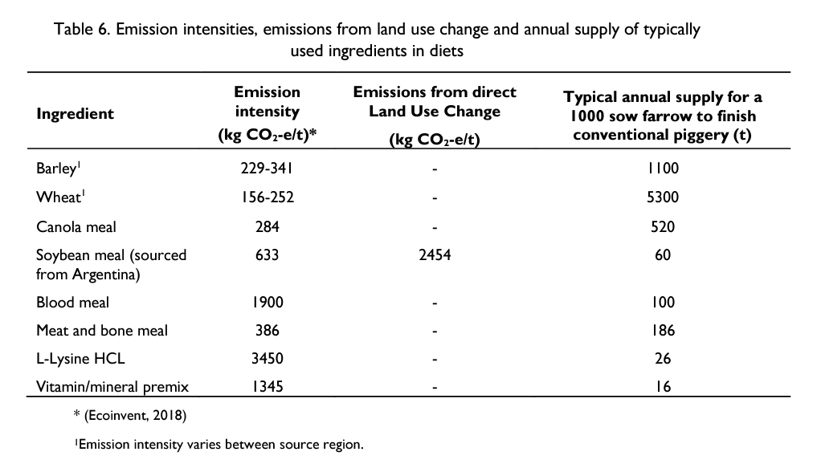
Canola meal purchased | 0.2 |  | 0.284 | 0.06 |  |  | Total | 1.71 | 0.036
Meat meal purchased | 0.1 |  | 0.386 | 0.04 |  |  | *Mg-1 = Divided by 1000 to convert from megagram to kilogram
Blood meal purchased | 0 |  | 1.900 | 0.00 |  |  | Source:
Additional ingredient | 0.1 |  | 0.150 | 0.02 |  |  | Mudahar, M.S., Hignett, T.P., 1982. Energy and Fertilizer— Policy Implications and Options for Developing Countries. International Fertilizer Development Center, Muscle Shoals, Alabama
Total embedded emissions - purchased feed |  |  |  | 0.55 |  |  | A synthesis of carbon sequestration, carbon emissions, and net carbon flux in agriculture: comparing tillage practices in the United States Tristram O. West, Gregg Marland. Agriculture, Ecosystems and Environment 91 (2002) 217–232.

Feed 3 | Quantity (t) |  | Total GHG (kg CO2-e/kg input) | Total GHG (t CO2-e)
Wheat purchased | 2.25 |  | 0.252 | 0.57 |  |  | Feed ration ingredient mix reference no. |  |  |  |  | Reference
Barley purchased | 1.5 |  | 0.341 | 0.51 |  |  | Feed 1 |  |  | Feed 2
Soybean meal purchased | 0.1 |  | 0.633 | 0.06 |  |  | Grower/Finisher | 2 |  | Breeder | 3 | (Wiedemann et al., 2021)
Canola meal purchased | 0.6 |  | 0.284 | 0.17 |  |  |  |  |  |  |  | Table 6.
Meat meal purchased | 0.1 |  | 0.386 | 0.04 |  |  | Wheat | 0.45 |  | Wheat | 0.5
Blood meal purchased | 0 |  | 1.9 | 0.00 |  |  | Barley | 0.3 |  | Barley | 0.2
Additional ingredient | 0.25 |  | 0.1 | 0.03 |  |  | Soybean | 0.02 |  | Soybean | 0.04
Total embedded emissions - purchased feed |  |  |  | 1.38 |  |  | Canola | 0.12 |  | Canola | 0.1
 |  |  |  |  |  |  | Meat meal | 0.02 |  | Meat meal | 0.05
Feed 4 | Quantity (t) |  | Total GHG (kg CO2-e/kg input) | Total GHG (t CO2-e) |  |  | Blood meal | 0 |  | Blood meal | 0.00
Wheat purchased | 4.8 |  | 0.252 | 1.21 |  |  | Feed 3 |  |  | Feed 4
Barley purchased | 3.6 |  | 0.341 | 1.23 |  |  | Grower/Finisher | 2 |  | Lactating sows | 2 | (Reckmann et al., 2016)
Wheat bran purchased | 0.66 |  | 0.547 | 0.36 |  |  |  |  |  |  |  | Table 1.
Beet pulp purchased | 0.24 |  | 0.704 | 0.17 |  |  | Wheat | 0.45 |  | Wheat | 0.4 |  | Source: WIEDEMANN, S., MCGAHAN, E., MCCORMACK, K. & MULLER, T. 2021. Low Carbon Emission Roadmap for the Australian Pork Industry.
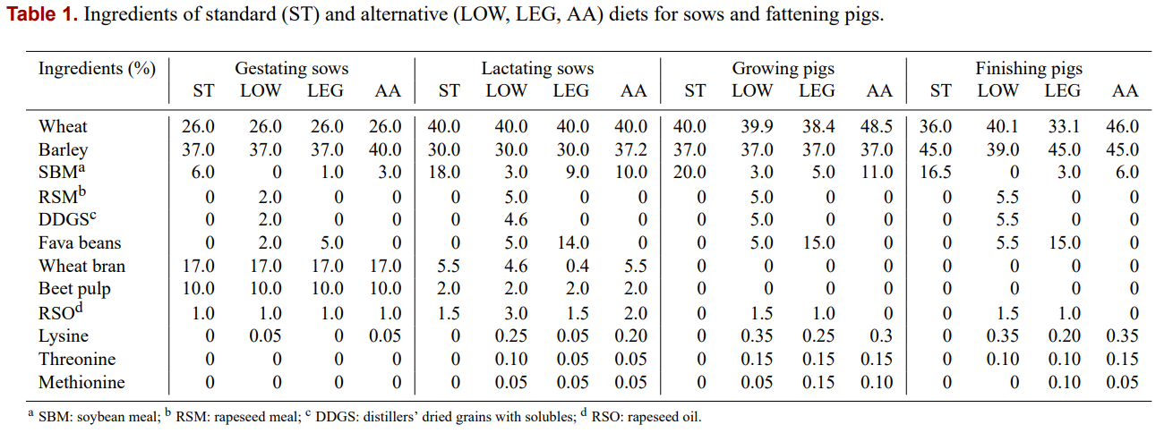
Soybean meal purchased | 2.16 |  | 0.633 | 1.37 |  |  | Barley | 0.3 |  | Barley | 0.3
Additional ingredient | 0.24 |  | 0.15 | 0.04 |  |  | Soybean | 0.02 |  | Wheat bran | 0.055
Total embedded emissions - purchased feed |  |  |  | 4.37 |  |  | Canola | 0.12 |  | Beet pulp | 0.02
 |  |  |  |  |  |  | Meat meal | 0.02 |  | Soybean Meal | 0.18
Total embedded emissions - From all Feed formulations |  |  |  | 8.62 |  |  | Blood meal | 0

Fertiliser | Quantity (t) |  | Total GHG (kg CO2-e/kg input) | Total GHG (t CO2-e) | (O'Halloran et al., 2008)
Urea fertiliser (pasture & crops) | 50 |  | 1.50 | 74.8
Single superphosphate | 25 |  | 0.11 | 2.8
Urea-Ammonium Nitrate (UAN) | 10 |  | 1.17 | 11.7
Total embedded emissions fertiliser |  |  |  | 89.3

Herbicide/ pesticide | Quantity (t) |  | Total GHG (kg CO2-e/kg input) | Total GHG (t CO2-e)
Herbicide (Paraquat, Diquat, Glyphosate) | 0.0144 |  | 33.00 | 0.5 | (O'Halloran et al., 2008)
Herbicide/ pesticide | 0.0255 |  | 18.75 | 0.5
Total embedded emissions herbicide/pesticide |  |  |  | 1.0

Other farm inputs | Quantity (t) |  | Total GHG (kg CO2-e/kg input) | Total GHG (t CO2-e) | (Mudahar and Hignett, 1982; West and Marland, 2002)
Lime | 0 |  | 0.036 | 0.0
Hay, barley straw etc. purchased for Pig bedding | 40 |  | 0.225 | 9.0 | (Christie et al., 2012)

Total (t CO2-e) |  |  |  | 107.86 |  |  |  |  |  |  |  |  | Source: RECKMANN, K., BLANK, R., TRAULSEN, I. & KRIETER, J. 2016. Comparative life cycle assessment (LCA) of pork using different protein sources in pig feed. Archives Animal Breeding, 59, 27-36.

Customized fertilizer
Default values from benchmarking data
Fertilizer | CO2 | CH4 | N2O | Total | Total GHG (kg CO2-e/kg input) | Reference
Monoammonium phosphate (MAP) | 97.80% | 1.89% | 0.29% | 99.98% | 0.7 | (Wood & Cowie, 2004; Davis & Haglund,1999) Table 5, Table 6, and Table 7.
Diammonium Phosphate (DAP) | 97.80% | 1.90% | 0.20% | 99.90% | 0.9
Urea-Ammonium Nitrate (UAN) | 97.50% | 2.30% | 0.001% | 99.80% | 1.2
Ammonium Nitrate (AN) | 39.60% | 0.90% | 59.5% | 100.00% | 2.5
Calcium Ammonium Nitrate (CAN) | 38.30% | 0.80% | 60.9% | 100.00% | 2.3

GHG emission for each fertiliser type | FGHG = A x E x EF

 | FGHG = amount of GHG emission (t CO2-e)
 | A = total amount of fertiliser used (t)
 | E = energy required to manufacture each fertiliser component (MJ/kg)
 | EF = emission rate for each component (kg CO2-e/MJ)

Total Energy (E) x Emission Factor (EF) for each product
DAP | 0.76
SSP | 0.11
MAP | 0.52
UREA | 1.50
SOA | 0.75
Lime | 0.43
Herbicide (general) / pesticide | 18.75
Herbicide (glyphosate) | 33.00

Table 1. Energy requirement to manufacture fertiliser components and associated CO2 emissions (EF)
 | Total energy (E) (MJ/kg) | Emission factor (EF) (Kg CO2/MJ) | E x EF
N | 65 | 0.05 | 3.25
P | 15 | 0.06 | 0.9
K | 10 | 0.06 | 0.6
S | 5 | 0.06 | 0.3
Lime | 0.6 | 0.72 | 0.432

N, P, K and S content in each fertiliser type
 | DAP | SSP | MAP | UREA | SOA
N | 0.177 | 0 | 0.1 | 0.46 | 0.21
P | 0.2 | 0.088 | 0.219 | 0 | 0
K | 0 | 0 | 0 | 0 | 0
S | 0 | 0.11 | 0 | 0 | 0.24

Table 7. Energy used to manufacture agrochemicals and associated CO2 emissions
 | Total energy (E) (MJ/kg) | Emission factor (EF) (Kg CO2/MJ) | E x EF
Herbicide (Paraquat, Diquat, Glyphosate) | 550 | 0.06 | 33
Herbicide (General) | 310 | 0.06 | 18.6
Insecticide | 315 | 0.06 | 18.9
Herbicide/Insecticide average |  |  | 18.75

O'Halloran, N., Fisher, P., Rab, A., & Victoria, D. P. I. (2008). Preliminary estimation of the carbon footprint of the Australian vegetable industry (pp. 1-39). Discussion paper 4. Vegetable Industry Carbon Footprint Scoping Study. 2008, Horticulture Australia Ltd.

